Instructions
I. GETTING STARTED
The Summary tab
GRANT APPLICATION: Your grant proposal must include a proposed budget. The maximum amount allowable is $30,000.
1) | Review the Formatting and Definitions section below.
2) | Click the Personnel tab, and complete that worksheet first. Data from this sheet will auto-populate other sheets. |  | Personnel
3) | Next, Click the Budget Proposal tab, and complete that worksheet. Be thorough, but do not list unnecessary details. For example, if you are including Materials and Supplies, please provide information about the categories of supplies to be purchased but do not list individual items with store names. |  | Budget Proposal
4) | The Summary tab provides the grant reviewer with a summary of requested funds for each budget category. No input is needed or allowed from you. |  | Summary
5) | Save the workbook with your Organization Name in the file name and submit it with your Seed Grant Proposal. |  | The End!

II. FORMATTING AND DEFINITIONS

FORMATTING: This workbook includes some formulas and is formatted to help you enter the requested information.

 | INPUT | These are INPUT cells. Most of your time will be spent entering data in these cells. Insert additional rows as needed.
 | Category Details | When you click on one of these cells, you'll see a message box with guiding instructions.
 | 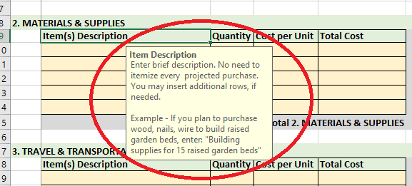
 | Totals/Subtotals | These are total/subtotal cells. Most of these cells are set to auto-calculate or auto-populate. Please do not enter any data in these cells

